Legal Assistance & ADR
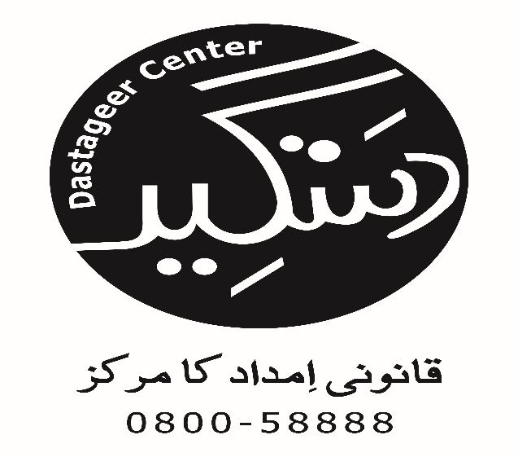
Access to Justice Project
Cases in which Legal Assistance & ADR Provided
Taraqee Foundation
S.No | Name Of Party | Contact Number | Gender (M, F or TG) | Age | CNIC # | Occupation | Marital Status | Address | Tehsil | Name of Guardian | Relation with Guardian | Contact Number | Priority Group (GBV, Minority & Disabled) | if Minority name Group | Psychosocial Support Provided (Yes/No) | Nature Of Problem | Action Taken (Legal Assistance by Sending Letter, FIR, Preparing Legal Documents, ADR (out of court settlement) etc.) | Name of Institution handling case (Court name, Police Station, Gov Institution etc. | Lawyer Name (if involved) | Cell No. | Date of Letter, FIR, Legal Documents, ADR etc. | Case Referred From (Name of LAC, Helpline, CSOs, Justice Institutions, Individuals, etc.) | Stage Proceeding (In progress or Completed) | Decision (if case concluded) | Decision Month | Successful / Unsuccessful
3 | Amanual | 0300-6396168 | Male | 37 | 36303-4752269-9 | Sweeper | Married | Chak No 5,F,Dak Khana, Khas. | Multan | - | - | - | Minorities | Christian | Yes | Discrimination at workplace | Application | Pak Jerman Forum | - | - | 2015-04-14 | Radio | In Progress | - | - | -
5 | Bhirawan | - | Female | 35 | 36303-17342930-4 | Labour | Married | Chah karari Wala,Lutf Abad | Multan | - | - | - | GBV | - | Yes | Psychological Abuse | Application | DCO Multan | Aftab Shabir | 0306-7890328 | 2015-04-09 | DLAC Multan | Completed | - | - | -
6 | Shumaila | 0301-4424413 | Female | 25 | 36302-1244911-0 | Housewife | Married | Chah chadhran raza abad | Multan | - | - | - | GBV | - | Yes | Physical abuse | Application | Police Station | - | - | 2015-06-05 | Street Theater | Completed | - | - | -

